MC Guarding
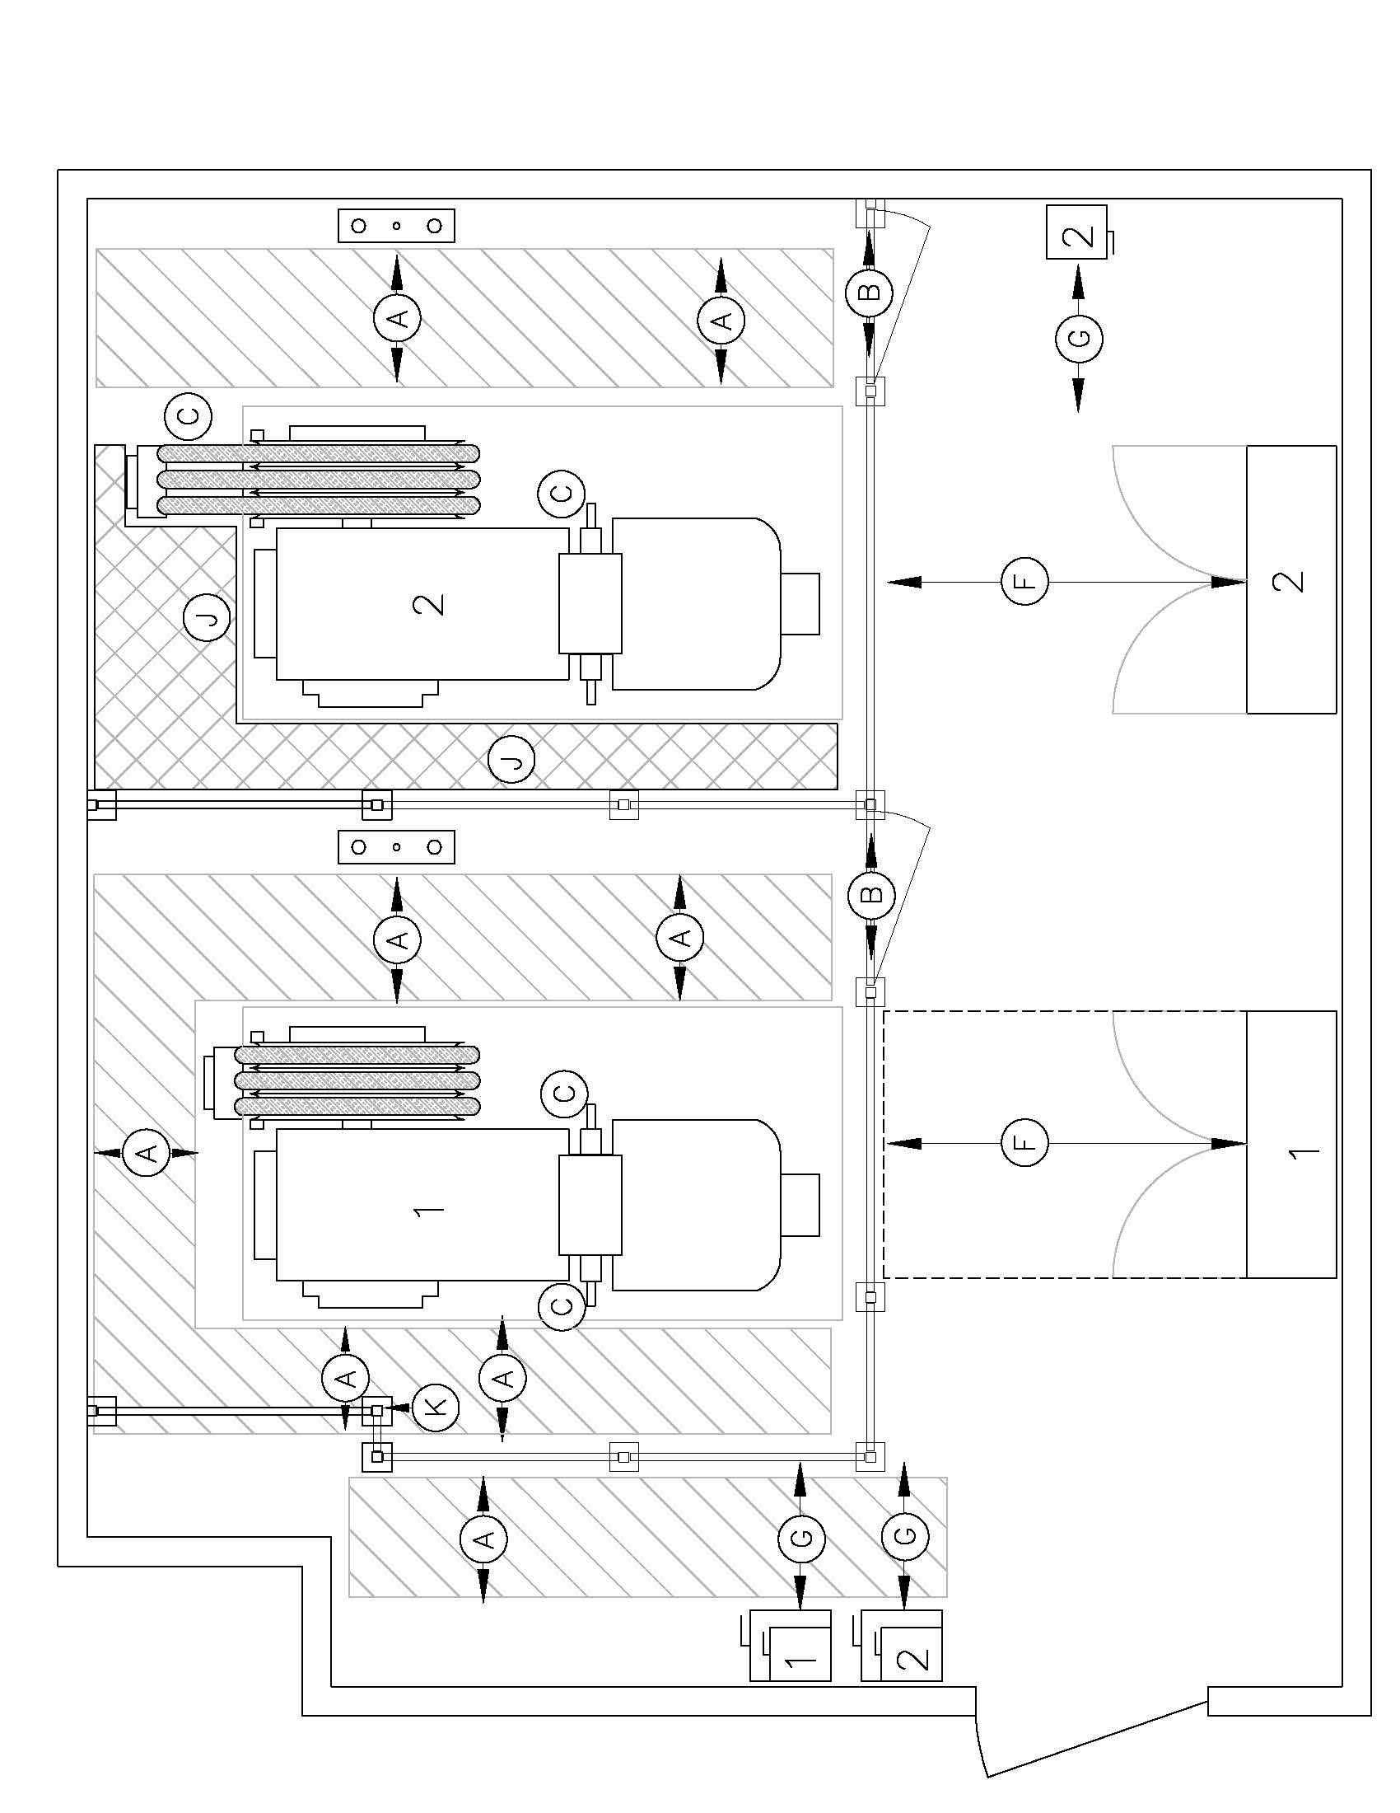
 |  |  |  |  |  | 345 Carlingview Drive Toronto, ON M9W 6N9 Tel.: 416.734.3300 www.tssa.org |  |  | Form Revision: |  |  | 1-Jul-2022 |  |  |  | Minor Type A Alteration
 |  |  |  |  |  |  |  |  |  | B44-2019
 |  |  |  |  |  |  |  |  | Machine Guarding

 |  |  |  |  |  |  |  |  |  | Spec No. | 0 |  |  |  |  |  | Date |  |  | Revision
General | 110 | Type of Submission |  |  |  |  | 0
 |  | 0
 | 500 | Elevating Device Make |  |  |  |  |  |  |  |  |  |  |  | 130 | Elevating Device Class and Type |  |  |  | 0
 |  |  |  |  |  |  |  |  |  |  |  |  |  |  |  |  |  |  | 0
 | 510 | Elevating Device Model |  |  |  |  |  |  |  |  |  |  |  | 1340 | Type of Drive

 | 520 | Capacity (All Cars must be the same) [2.16.1] |  |  |  |  |  |  |  |  |  |  |  | 540 | Rated Speed
 |  |  |  |  |  |  |  |  |  |  |  |  | kg |  |  |  |  |  |  |  |  | m/s
 | 180 | Address |  |  |  |  | 1234 maple |  |  |  |  |  |  |  |  |  |  |  |  |  | Postal Code
 |  |  |  |  |  |  | Toronto |  |  |  |  |  |  |  |  |  |  |  |  |  | 0
Code Requirements | 4000 | Specification Data & Scope of Alteration or Revision

 |  | N/A | Conforms
 |  |  |  |  | Acknowledge conformance to all applicable guarding requirements below. See also 296/22 [8.7.2.7]*1.
 |  |  |  |  | See attached Generic Requirements Drawing detailing these items

 |  |  |  | A. | 2.7.2 Path and clearance 450 mm min. (Clearance may be attained by removing fence style guarding)
 |  |  |  | B. | 2.7.3.4.2 Access doors 750 mm wide, 2030 mm height min.
 |  |  |  | C. | 2.10.1 Sheaves, ropes extending beyond base, exposed gears, sprockets etc. shall be guarded, unless the driving-machine sheave is so located to minimize the possibility of contact.

 |  |  |  | D. | Open or removable with common tools.
 |  |  |  | E. | Operating procedures or work instructions for acess to equipment are on site
 |  |  |  | F. | Working clearances electrical control equipment 1000 mm. CAD 2.2.1

 |  |  |  | Select ONE to Identify the clearance that applies
 |  |  |  | G. | Access for the operation of the disconnecting means shall be:
 |  |  |  |  | (1) | 1000 mm for installations under OESC 2000 edition or later, or
 |  |  |  |  | (2) | 750 mm (29.5 in.) for installations installed under OESC 1988 edition or prior, or
 |  |  |  |  | (3) | if existing clearances are less than 750 mm, they shall not be further reduced

 |  |  |  | H. | Installation by or supervised by a registered contractor. O.Reg 209/01 s. 24
 |  |  |  | I. | Large or heavy sections that may need to be removed or opened for maintenance shall be easily handled by one person
 |  |  |  | J. | Permitted to be less than 450mm if not required for maintenence or maintenance access
 |  |  |  | K. | Posts cannot infringe on clearance requirements

 |  |  |  | The requirements for item(s) |  |  |  |  |  |  |  |  |  | listed above could not be achieved. See attached
 |  |  |  | description and application for Variance.

Supporting Information |  | Supporting Drawings and Documents |  |  |  |  |  |  |  |  |  | 5000 | Applied Codes |  |  |  |  | 460 | Is any qualifying amendment to this statement attached ?
 |  |  |  |  |  |  |  |  |  |  |  |  | 296/22 [8.7.2.7]*1
 |  |  |  |  |  |  |  |  |  |  |  |  |  |  |  |  |  |  | Professional Engineer's Stamp

 | 450 | The whole design of this Elevating Device, including the above listed controlled documents, and the parts and features not specifically identified in the design submission are in compliance with the Technical Standards & Safety Act and Ontario's Elevating Devices Regulation, except for variances set out in the Proposed Variance(s) attached to this submission. If the design submission covers an alteration, this statement is limited to parts and features that are subject of or may be affected by the alteration.

 |  | Date |  |  |  |  |  | Signature

Drawing Notes

Typical Perimeter Machine Guarding |  | Guarding Requirements for a Generic Machine Room Configuration
 |  |  |  | Registration of this submission acknowledges that machine room guarding has been provided. TSSA will only evaluate the guarding as to its compliance with 296/22 requirement [8.7.2.7]*1 which provides a minimum set of clearance requirements as indicated below and on the previous page. TSSA does not evaluate the overall suitability of machine room guarding as this is outside of TSSA's jurisdiction.

Abridged
 |  |  | 345 Carlingview Drive Toronto, ON M9W 6N9 Tel.: 416.734.3300 www.tssa.org |  |  |  | Form Revision: |  |  | 10-Mar-2026 |  |  |  | Specification Sheet for

 |  |  |  |  |  |  | All Elevating Devices (Abridged Form)

 |  |  |  |  |  |  |  | Spec No. | 0 |  |  |  |  |  | Date |  |  | Revision
General | 110 | Type of Submission |  | 0
 |  | 0
 | 500 | Elevating Device Make |  |  |  |  |  |  |  |  |  | 130 | Elevating Device Class and Type |  |  |  | 0
 |  |  |  |  |  |  |  |  |  |  |  |  |  |  |  |  | 0
 | 510 | Elevating Device Model |  |  |  |  |  |  |  |  |  | 1340 | Type of Drive

 | 520 | Capacity (All Cars must be the same) [2.16.1] |  |  |  |  |  |  |  |  |  | 540 | Rated Speed
 |  |  |  |  |  |  |  |  |  |  | kg |  |  |  |  |  |  |  |  | m/s
 | 180 | Address |  | 1234 maple |  |  |  |  |  |  |  |  |  |  |  |  |  |  | Postal Code
 |  |  |  | Toronto |  |  |  |  |  |  |  |  |  |  |  |  |  |  | 0
Specification Data | 4000 | Specification Data & Scope of Alteration or Revision |  |  | Outline the exact nature of the alteration in sufficient detail with the drawings and documents listed under item 4000 to clearly demonstrate compliance with the applied codes. Include applicable Box No's.: Description & new entry

Supporting Information |  | Supporting Drawings and Documents |  |  |  |  |  |  |  | 5000 | Applied Codes |  |  |  |  | 460 | Is any qualifying amendment to this statement attached ?

 |  |  |  |  |  |  |  |  |  |  |  |  |  |  |  |  | Professional Engineer's Stamp

 | 450 | The whole design of this Elevating Device, including the above listed controlled documents, and the parts and features not specifically identified in the design submission are in compliance with the Technical Standards & Safety Act and Ontario's Elevating Devices Regulation, except for variances set out in the Proposed Variance(s) attached to this submission. If the design submission covers an alteration, this statement is limited to parts and features that are subject of or may be affected by the alteration.

 |  | Date |  |  |  | Signature

Additional Remarks:
Layout Drawings must include the following items where applicable.
- required clearances and basic dimensions
- maximum rail bracket spacing
- estimated vertical forces on the guide rails on application of safety
- total static and impact loads imposed on machinery and sheave beams, supports and floors or foundations
- impact load on buffer supports due to buffer engagement at the maximum permissible speed and load
- total static and dynamic loads from the governor, ropes and tension system
- horizontal forces on the building structure
- net vertical load from the elevator system
- outside diameter and wall thickness of the cylinder, plunger and piping, and the working pressure
- rated speed and operating speed in the down direction
- minimum "grade" of pipe (ASTM or recognized standard)
- length of the plunger and cylinder
- clearance between the plunger and the bottom head of the cylinder
Additional Remarks:
Layout Drawings must include the following items where applicable.
- required clearances and basic dimensions
- maximum rail bracket spacing
- estimated vertical forces on the guide rails on application of safety
- total static and impact loads imposed on machinery and sheave beams, supports and floors or foundations
- impact load on buffer supports due to buffer engagement at the maximum permissible speed and load
- total static and dynamic loads from the governor, ropes and tension system
- horizontal forces on the building structure
- net vertical load from the elevator system
- outside diameter and wall thickness of the cylinder, plunger and piping, and the working pressure
- rated speed and operating speed in the down direction
- minimum "grade" of pipe (ASTM or recognized standard)
- length of the plunger and cylinder
- clearance between the plunger and the bottom head of the cylinder

S.A.
 |  |  | 345 Carlingview Drive Toronto, ON M9W 6N9 Tel.: 416.734.3300 www.tssa.org |  | Form Revision: |  |  | 10-Mar-2026 | Request for

 |  |  |  |  | Safety Assessment / Compliance Review

 |  |  |  |  |  | Spec No. | 0 |  |  | Date | Revision
 | 110 | Type of Submission |  | 0

 |  | PO Number
Details of Request for Service | 4000 | Outline the exact nature of the request for service. Example: Review <item details> for compliance to requirements <specify applicable code sections> of <specify code name and edition> - Review interlock for compliance to the requirements of section 7.5 of CSA Z185-R2001

 | Include any relevant documentation that can be reviewed to evaluate the request for service noted above. A prepayment is required for this service. For an estimate of hours contact EDAD Engineering via eddesignsubmittal@tssa.org

Supporting Information

The Technical Standards and Safety Authority (TSSA), is an independent, not-for-profit, non-governmental organization. We provide Safety Services including the administration of Ontario's Technical Standards and Safety Act, 2000. We are a risk-based, prevention oriented organization that provides services, including public education, training, certification, licensing, registration, engineering design review, inspection activities, and safety management consultation. TSSA's safety assessment / compliance review is subject to / limited by the terms and conditions of our memorandum of understanding with the Government of Ontario.

Additional Remarks:
Layout Drawings must include the following items where applicable.
- required clearances and basic dimensions
- maximum rail bracket spacing
- estimated vertical forces on the guide rails on application of safety
- total static and impact loads imposed on machinery and sheave beams, supports and floors or foundations
- impact load on buffer supports due to buffer engagement at the maximum permissible speed and load
- total static and dynamic loads from the governor, ropes and tension system
- horizontal forces on the building structure
- net vertical load from the elevator system
- outside diameter and wall thickness of the cylinder, plunger and piping, and the working pressure
- rated speed and operating speed in the down direction
- minimum "grade" of pipe (ASTM or recognized standard)
- length of the plunger and cylinder
- clearance between the plunger and the bottom head of the cylinder
Additional Remarks:
Layout Drawings must include the following items where applicable.
- required clearances and basic dimensions
- maximum rail bracket spacing
- estimated vertical forces on the guide rails on application of safety
- total static and impact loads imposed on machinery and sheave beams, supports and floors or foundations
- impact load on buffer supports due to buffer engagement at the maximum permissible speed and load
- total static and dynamic loads from the governor, ropes and tension system
- horizontal forces on the building structure
- net vertical load from the elevator system
- outside diameter and wall thickness of the cylinder, plunger and piping, and the working pressure
- rated speed and operating speed in the down direction
- minimum "grade" of pipe (ASTM or recognized standard)
- length of the plunger and cylinder
- clearance between the plunger and the bottom head of the cylinder

